Cover page
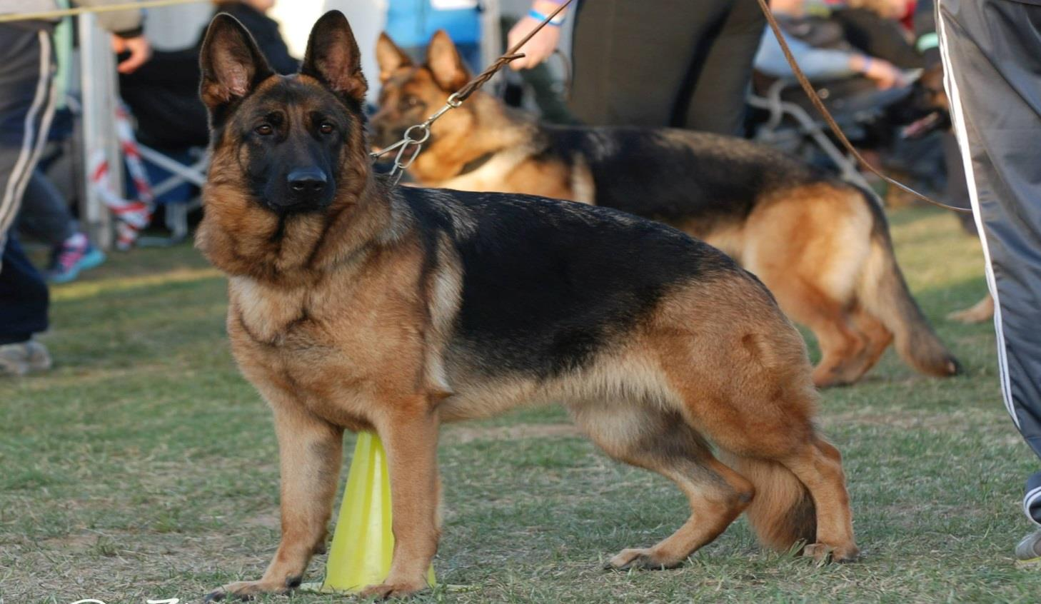
German Shepherd Dog Club of Victoria. Inc.
2024 Perpetual Show Trophies Scores.

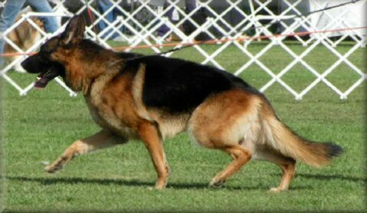
Contents for this spreadsheet
Page 1. The scoring system for the Various GSDCV.Inc. Perpetual Show Trophies.
Page 2. The "Margot Haines" Puppy Of The Year bitch scores - stock coat
Page 3. The "Margot Haines" Puppy Of The Year bitch scores - long stock coat
Page 4. The "Margot Haines" Puppy Of The Year male scores - stock coat
Page 5. The "Margot Haines" Puppy Of The Year male scores - long stock coat
Page 6. "The Speciality Show Bitch of the Year" & "Schneider Trophy" scores - stock coat
Page 7. "The Speciality Show Bitch of the Year" & "Schneider Trophy" scores - long stock coat
Page 8. "The Speciality Show Dog of the Year" & "Schneider Trophy" scores - stock coat
Page 9. "The Speciality Show Dog of the Year" & "Schneider Trophy" scores - long stock coat
Page 10. Top 10 placings for all the Perpetual Trophy classes

Rules
The Scoring System for The Various GSDCV.Inc. Perpetual Show Trophies

"Specialty Show Dog and Bitch of the Year"

These four trophies are awarded to the best performed Dog and Bitch each year, which are owned (or owned in part) by Victorian members. Scoring as per existing rules. The awards are offered separately for Stock Coat and Long Stock Coat exhibits.
Four annual trophies for best Victorian show Puppy Dog and Puppy Bitch of the year, which are owned (or owned in part) by Victorian members. Points scored for placings in Baby Puppy, Minor Puppy and Puppy classes as per existing rules. The awards are offered separately for Stock Coat and Long Stock Coat exhibits.

"Margot Haines" PUPPY OF THE YEAR trophies

"Schneider" trophy

This trophy is awarded to the best performed Dog or Bitch each year, which is owned by Victorian members and registered with Dogs Victoria. Scoring as per existing rules but includes "All Breed Shows" where a GSD specialist Judge is appointed.

